README

 | vbArc by Anastasiou Alex
 |  |  | eMail
 |  | GitHub
 |  | YouTube
 |  | FaceBook
 | buy me a coffee

Project Name
Purpose
Screenhots
Video Link

BAR_MAIN
LEVEL | CAPTION | ACTION | DIVIDER | FACEID |  |  |  |  | WorksheetMenu | VbeMenu | RightClickMenu
 |  |  |  |  | BUILD ON WB OPEN? | FALSE |  | INSTRUCTIONS | Worksheet Menu Bar | FLOATING
 |  |  |  |  |  |  |  | Choose Level | Cell | Menu Bar
 |  |  |  |  | C_TAG |  | * | 1 : if next lvl = 2 then popup else button | Column | Code Window
 |  |  |  |  | MenuType |  | * | (For RightClickMenu only 1 level 1 and it's always popup) | Row | Project Window
 |  |  |  |  | BarLocation |  | * | 2 : if next lvl = 2 then popup sub category, else button |  | Edit
 |  |  |  |  | TargetControl |  |  | 3 : button |  | Debug
 |  |  |  |  |  |  |  | Choose Captions (& means next letter is shortcut key) |  | Userform
Open This Bar
Close This Bar
 |  |  |  |  |  |  |  | Choose Action (name of sub to call).
 |  |  |  |  |  |  |  | Divider is a separating line between items
 |  |  |  |  |  |  |  | FaceID are the built in images.
Close All Bars
Open All Bars
 |  |  |  |  |  |  |  |  |  | VBE menu bar Controls
 |  |  |  |  |  |  |  |  |  | 0
 |  |  |  |  |  |  |  |  |  | File
List Existing Bars
 |  |  |  |  |  |  |  |  |  | Edit
 |  |  |  |  |  |  |  |  |  | View
Open New Bar
 |  |  |  |  |  |  |  |  |  | Insert
 |  |  |  |  |  |  |  |  |  | Format
 |  |  |  |  |  |  |  |  |  | Debug
 |  |  |  |  |  |  |  |  |  | Run
 |  |  |  |  |  |  |  |  |  | Tools
 |  |  |  |  |  |  |  |  |  | Add-Ins
 |  |  |  |  |  |  |  |  |  | Window

FaceID
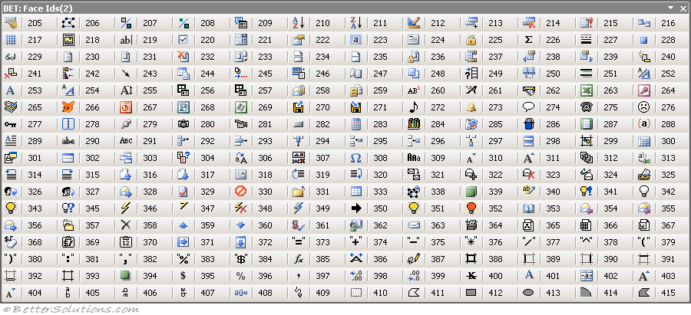
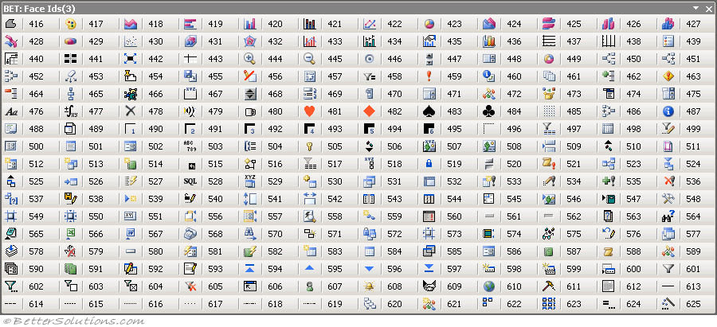
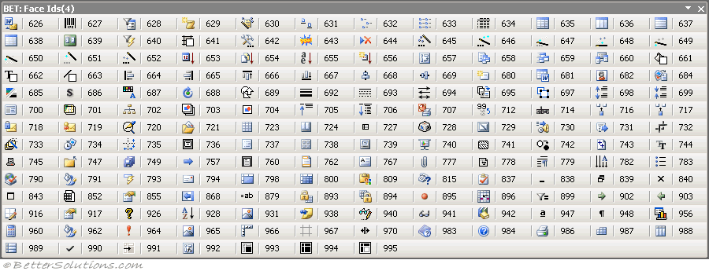
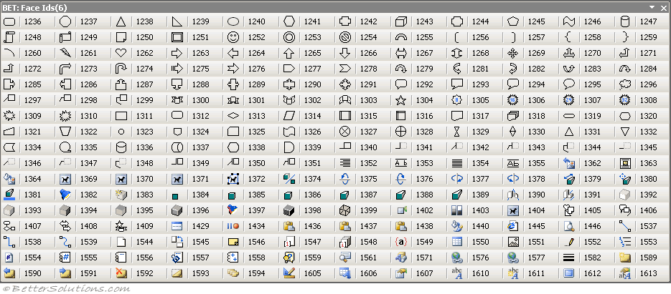
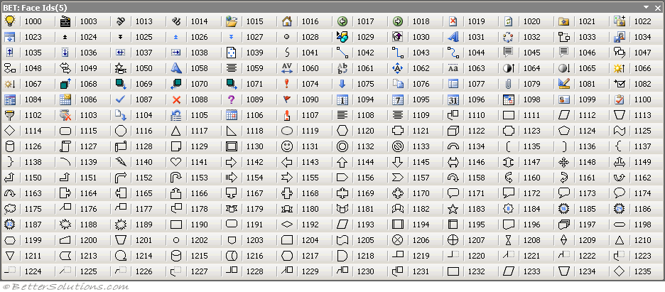
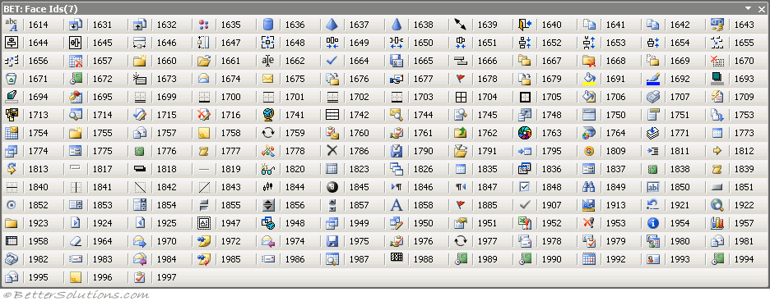
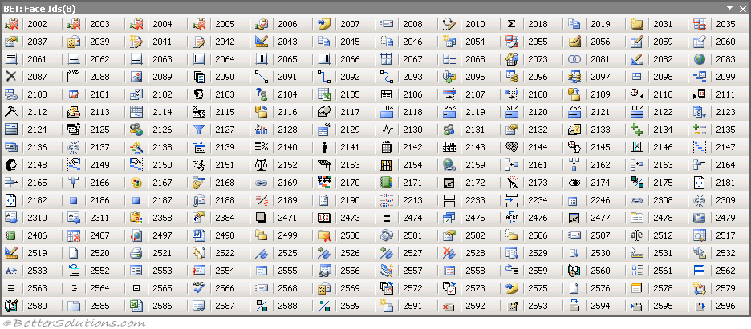
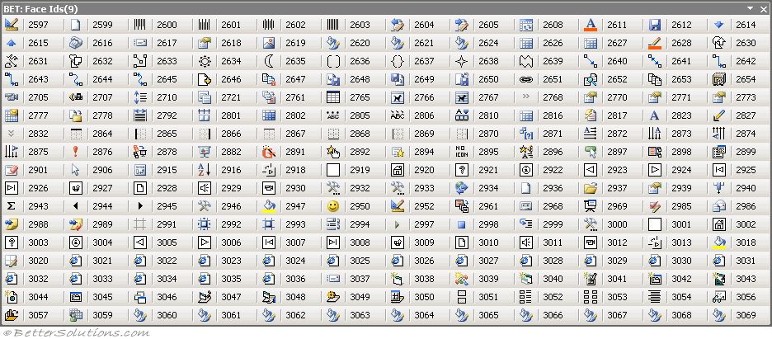
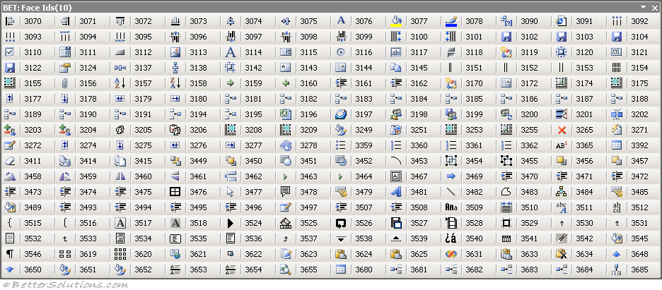
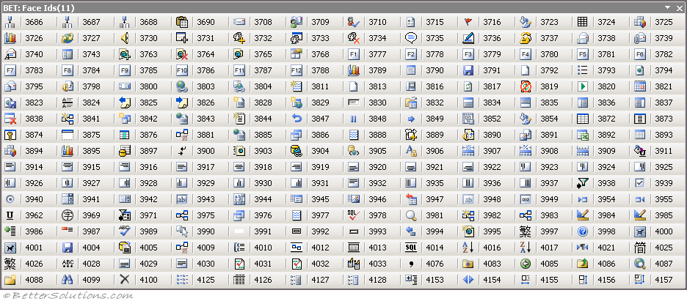
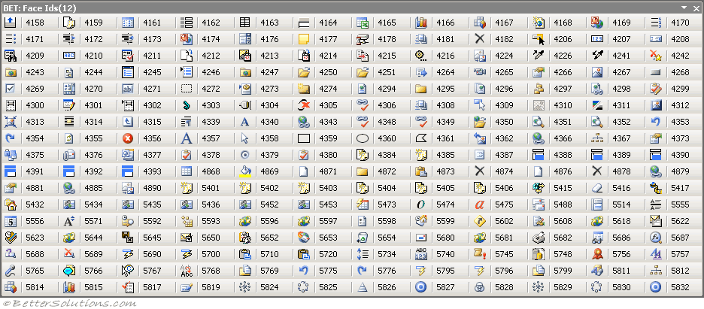
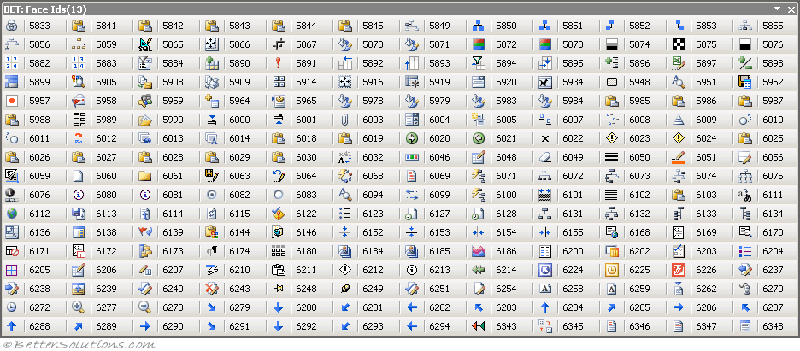
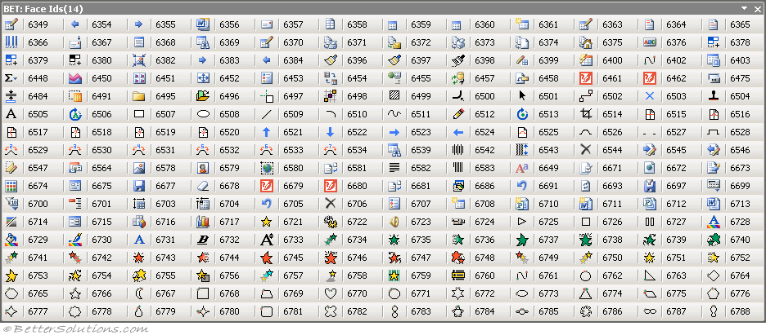
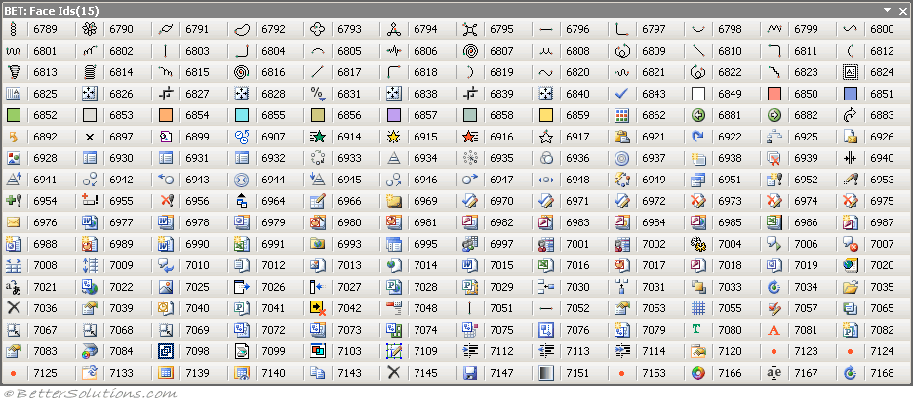
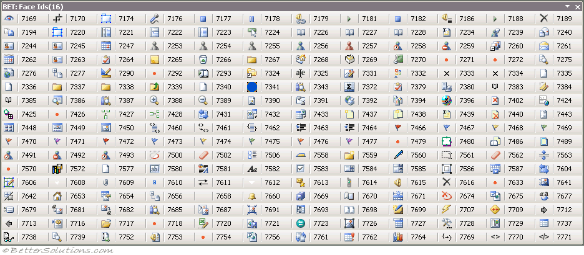
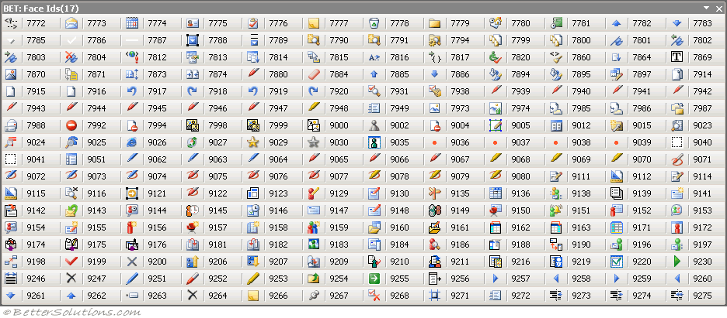
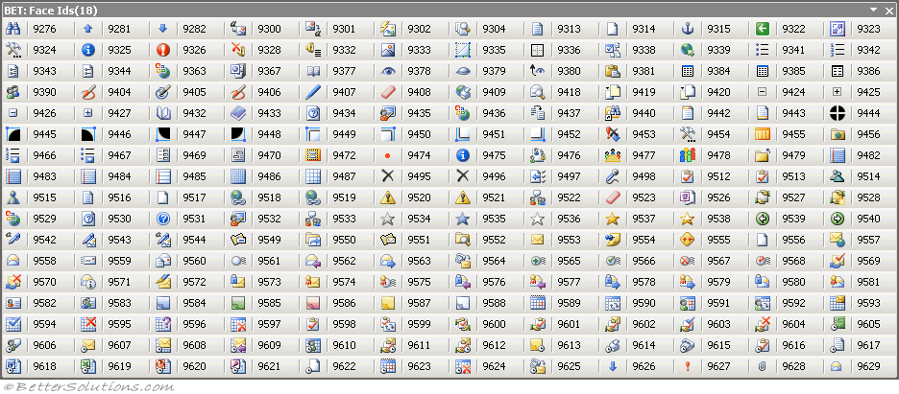
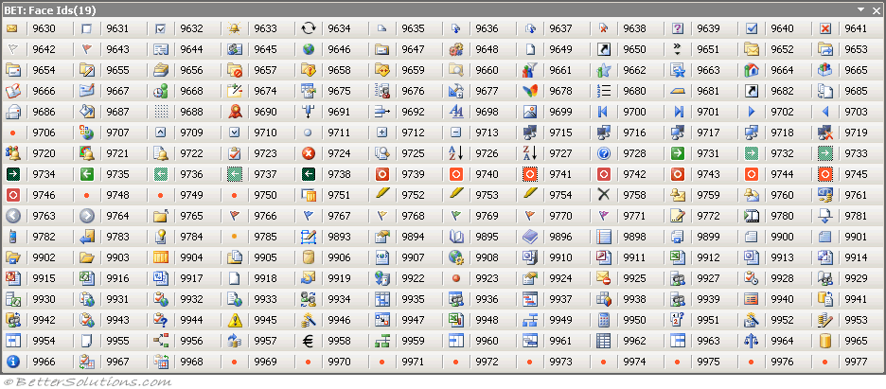
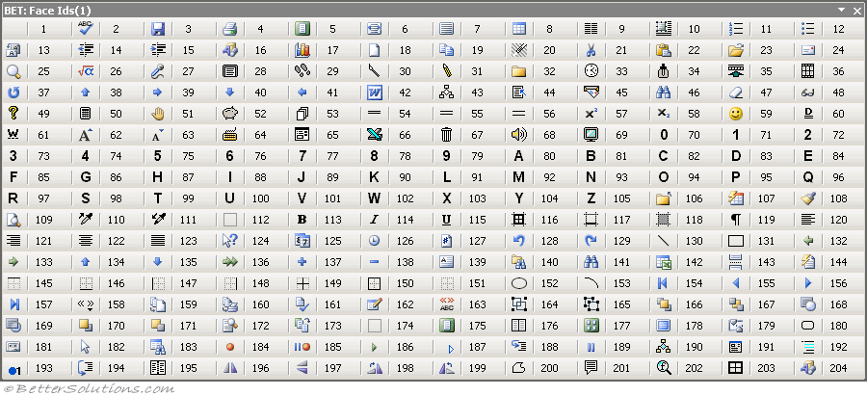
FACE IDS

uLogin
Log In

Log Out

iXML
OUTLINE |  |  |  | CONTEXTUAL TABS | IMAGE MSO | EXCEL |  |  | WORD |  |  | POWERPOINT |  |  | PROPERTIES
ImageMSO
userform
<customUI xmlns="http://schemas.microsoft.com/office/2009/07/customui" xmlns:nsVbArc="vbArc Namespace"> <commands> <command idMso="Bold" enabled="false" /> <command idMso="Paste" onAction="MyPasteFunction" /> </commands> <ribbon> <officeMenu> </officeMenu> <qat> <documentControls> <control idMso="CalculateNow" /> <control idMso="HyperlinkInsert" /> </documentControls> </qat> <contextualTabs> <tabSet idMso="TabSetTableToolsExcel" > <tab idMso="TabTableToolsDesignExcel" > <group autoScale="true"> </group> </tab> </tabSet> </contextualTabs> <tabs> <tab idQ="nsVbArc:tabVbArc" label="vbArc" > <group> </group> </tab> </tabs> </ribbon> </customUI> | groupid | <group id="MyTab" insertAfterMso="TabHome" label="Custom Tab" keytip="Short Text" supertip="This is the supertip string" tag="123456" visible="false" > | … | TabSmartArtTools | imageMso | idMso | Control Type | Label | idMso | Control Type | Label | idMso | Control Type | Label | Column1 | tab | group | box | buttonGroup | menu | gallery | splitButton | button | checkBox | comboBox | editBox | buttonGroup2 | item | menuSeparator
 | boxid | <box id="box" boxStyle="horizontal" insertAfterMso ="TabHome" visible="true" > | … | TabSetChartTools | _0 | Spelling | button | Spelling... | Spelling | button | Spelling... | Spelling | button | Spelling... | id | x | x | x | x | x | x | x | x | x | x | x | x | x | x
 | buttonGroup | <buttonGroup id="buttonGroup2" insertAfterQ="buttonGroup1" visible="true" > | … | TabSetDrawingTools | _1 | FileSave | button | Save | FileSave | button | Save | FileSave | button | Save | label | x | x |  |  | x | x |  | x | x | x | x |  | x
 | menu | <menu id="menu" label="Menu" imageMso="HappyFace" description="This is a verbose description" itemSize="large" keytip="K" screentip="This is the screentip" showImage="false" showLabel="false" size="large" supertip="This is the supertip string" tag="123456" > </menu> | … | TabSetPictureTools | _2 | FilePrint | button | Print | FilePrint | button | Print | FilePrint | button | Print | insertAfterMso | x |  | x
 | dynamicMenu | <dynamicMenu id="dynamic" title="Title String" label="Dynamic Menu" getContent="GetMenuContent" itemSize="large" /> | … | TabSivotTableTools | _3 | ChartInsert | button | Chart... | ZoomOnePage | button | One Page | TableInsert | button | Insert Table... | showLabel |  |  |  |  | x | x |  | x | x | x | x
 | menuSeparator | <menu id="menu" label="Menu" imageMso="HappyFace" > <button id="button1" label="Button 1" imageMso="FileSave" /> <menuSeparator id="separator" title="Title String" /> <button id="button2" label="Button 2" imageMso="Bold" /> </menu> | … | TabSndFooterTools | _3DBevelOptionsDialog | FileNew | button | New | ZoomPageWidth | button | Page Width | ChartInsert | button | Chart... | imageMso |  |  |  |  | x | x |  | x | x | x | x |  | x
 | splitButton | <splitButton id="splitButton" size="large" insertAfterQ="x:OtherTab" tag="123456" > <button id="button" imageMso="HappyFace" label="Split Button" /> <menu id="menu"> <button id="button1" label="Button 1" /> <button id="button2" label="Button 2" /> </menu> </splitButton> | … | TabSableToolsTxcel | _3DBevelPictureTopGallery | Copy | button | Copy | Zoom100 | button | Zoom 100% | FileNew | button | New | image |  |  |  |  | x | x |  | x | x | x | x |  | x
 | button | <button id="button" description="This is a verbose description ...." enabled="true" imageMso="HappyFace" insertAfterQ="x:OtherTab" keytip="K" label="Button" onAction="ButtonClicked" screentip="This is the screentip" supertip="This is the supertip string" showImage="true" showLabel="false" size="large" tag="123456" visible="true" /> | … | TabSivotChartTools | _3DDirectionGalleryClassic | Cut | button | Cut | ColumnsDialog | button | More Columns... | Copy | button | Copy | showImage |  |  |  |  | x | x |  | x | x | x | x
 | toggleButton | <toggleButton id="toggleButton" label="Toggle Button" description="This is a verbose description." onAction="ButtonClicked" getPressed="IsButtonToggled" insertAfterQ="x:OtherTab" image="ForestPic" showImage="false" showLabel="true" size="large" keytip="K" screentip="This is the screentip" supertip="This is supertip" tag="123456" visible="true" /> | … | TabSetInkTools | _3DEffectColorPickerClassic | Paste | button | Paste | Numbering | toggleButton | Numbering | Cut | button | Cut | keytip |  |  |  |  | x | x |  | x | x | x | x
 | editBox | <editBox id="editBox" label="Edit Box" getText="GetEditBoxText" image="ForestPic" keytip="K" maxLength="10" onChange="EditBoxTextChanged" screentip="This is the screentip" showImage="false" showLabel="false" sizeString="WWWWWWWWWWWWW" tag="123456" /> | … | TabSetSparkline | _3DEffectsGalleryClassic | FileOpen | button | Open | Bullets | toggleButton | Bullets | Paste | button | Paste | tag |  | x |  |  | x | x | x | x | x | x | x
 | comboBox | <comboBox id="comboBox" label="Combo Box" invalidateContentOnDrop="true" maxLength="10" onChange="EditBoxTextChanged" showItemImage="false" sizeString="WWWWWWWWWWWWW" showLabel="false" keytip="k" supertip="this is supertip" tag="123456" > <item id="item1" label="Item 1" imageMso="Bold" screentip="This is the screentip" supertip="This is the supertip string" /> </comboBox> | … | TabsetSlicerTools | _3DEffectsOnOffClassic | ZoomPrintPreviewExcel | toggleButton | Zoom | PageOrientationPortraitLandscape | button | Portrait/Landscape | FileOpen | button | Open | size |  |  |  |  | x | x | x
 | gallery | <gallery id="gallery" label="Gallery" rows="2" columns="2" itemWidth="88" itemHeight="68" size="large" imageMso="HappyFace" description="This is a verbose description." invalidateContentOnDrop="true" keytip="K" screentip="This is the screentip" supertip="This is the supertip string" onAction="ButtonClicked" showLabel="false" showImage="false" showItemImage="false" showItemLabel="false" size="large" sizeString="WWWWWWWWWWWWW" tag="123456" > <item id="item1" label="Item 1" imageMso="Bold" screentip="This is the screentip" supertip="This is the supertip string" /> </gallery> | … | TabSetTimeSlicerTools | _3DExtrusionDepth144Classic | Repeat | button | Repeat | OutdentClassic | button | Decrease Indent | Clear | button | Clear | description |  |  |  |  | x | x |  | x | x
 | checkBox | <checkBox id="chkBox" label="View 1" onAction="chkBox_onAction"/> | … | TabSetEquationTools | _3DExtrusionDepth288Classic | UnderlineDouble | toggleButton | Double Underline | IndentClassic | button | Increase Indent | Superscript | toggleButton | Superscript | screentip |  |  |  |  | x | x |  | x | x |  | x |  | x
 | labelControl | <labelControl id="label" label="Label Control" /> | … |  | _3DExtrusionDepth36Classic | FileClose | button | Close | DrawingInsert | button | Insert Drawing | Subscript | toggleButton | Subscript | supertip |  | x |  |  | x | x |  | x | x | x | x |  | x
 | dialogLauncherBox | <group id="customGroup" label="Custom Group"> <dialogBoxLauncher> <button id="button" screentip="Dialog Box Launcher" /> </dialogBoxLauncher> </group> |  |  | _3DExtrusionDepth72Classic | FormatPainter | toggleButton | Format Painter | ChartInsert | button | Chart... | FileClose | button | Close | sizeString
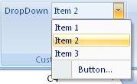
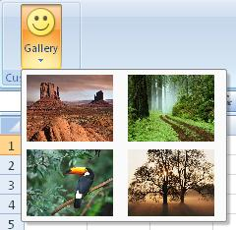
 |  |  |  |  | _3DExtrusionDepthGalleryClassic | FilePrintPreview | button | Print Preview | FileNew | button | New | FormatPainter | toggleButton | Format Painter | showItemLabel |  |  |  |  |  | x
 |  |  |  |  | _3DExtrusionDepthInfinityClassic | Bold | toggleButton | Bold | Copy | button | Copy | FilePrintPreview | toggleButton | Print Preview | showItemImage |  |  |  |  |  | x |  |  |  | x
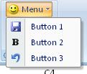
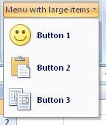
 |  |  |  |  | _3DExtrusionDepthNoneClassic | Italic | toggleButton | Italic | Cut | button | Cut | PickUpStyle | button | Pick Up Style | imtemWidth |  |  |  |  |  | x
 |  |  |  |  | _3DExtrusionDirectionClassic | Underline | toggleButton | Underline | Paste | button | Paste | PasteApplyStyle | button | Apply Style | itemHeight |  |  |  |  |  | x
 |  |  |  |  | _3DExtrusionParallelClassic | DarkShading | button | Dark Shading | FileOpen | button | Open | Bold | toggleButton | Bold | sizeString |  |  |  |  |  | x |  |  |  | x | x
 | 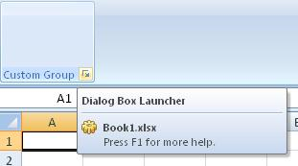 |  |  |  | _3DExtrusionPerspectiveClassic | AlignLeft | toggleButton | Align Left | EnvelopesAndLabelsDialog | button | Envelopes... | Italic | toggleButton | Italic | rows |  |  |  |  |  | x
 |  |  |  |  | _3DLightingClassic | AlignRight | toggleButton | Align Right | Superscript | toggleButton | Superscript | Underline | toggleButton | Underline | columns |  |  |  |  |  | x
 |  |  |  |  | _3DLightingDimClassic | AlignCenter | toggleButton | Center | Subscript | toggleButton | Subscript | AlignLeft | toggleButton | Align Left | invalidateContentOnDrop |  |  |  |  |  | x |  |  |  | x
 |  |  |  |  | _3DLightingFlatClassic | AlignJustify | toggleButton | Justify | UnderlineDouble | toggleButton | Double Underline | AlignRight | toggleButton | Align Right | onAction |  |  |  |  |  | x |  | x | x
 |  |  |  |  | _3DLightingGalleryClassic | Undo | gallery | Undo | UnderlineWords | button | Word Underline | AlignCenter | toggleButton | Center | maxLength |  |  |  |  |  |  |  |  |  | x | x
 |  |  |  |  | _3DLightingNormalClassic | Redo | gallery | Redo | FontSizeIncreaseWord | button | Grow Font | AlignJustify | toggleButton | Justify | onChange |  |  |  |  |  |  |  |  |  | x
 |  |  |  |  | _3DMaterialMetal | BorderTop | toggleButton | Top Border | FontSizeDecreaseWord | button | Shrink Font | Undo | gallery | Undo | autoScale |  | x
 |  |  |  |  | _3DMaterialMixed | BorderBottom | toggleButton | Bottom Border | FileClose | button | Close | Redo | gallery | Redo | getText |  |  |  |  |  |  |  |  |  |  | x
 |  |  |  |  | _3DMaterialPlastic | BorderLeft | toggleButton | Left Border | TableAutoFormat | button | Table AutoFormat... | OutlinePromote | button | Promote | boxStyle |  |  | x
 |  |  |  |  | _3DPerspectiveDecrease | BorderRight | toggleButton | Right Border | FormatPainter | toggleButton | Format Painter | OutlineDemote | button | Demote | title |  |  |  |  |  |  |  |  |  |  |  |  |  | x
 |  |  |  |  | _3DPerspectiveIncrease | BorderInside | button | Inside Borders | FilePrintPreview | toggleButton | Print Preview | OutlineMoveUp | button | Move Up
 |  |  |  |  | _3DRotationGallery | BorderOutside | button | Outside Borders | PasteApplyStyle | button | Apply Style | OutlineMoveDown | button | Move Down
 |  |  |  |  | _3DRotationOptionsDialog | BorderNone | button | No Border | Bold | toggleButton | Bold | OutlineExpand | button | Expand
 |  |  |  |  | _3DStyle | ObjectsGroup | button | Group | Italic | toggleButton | Italic | OutlineCollapse | button | Collapse
 |  |  |  |  | _3DSurfaceMaterialClassic | ObjectsUngroup | button | Ungroup | Underline | toggleButton | Underline | TextBoxInsert | toggleButton | Text Box
 |  |  |  |  | _3DSurfaceMaterialGalleryClassic | ObjectBringToFront | button | Bring to Front | ParagraphMarks | toggleButton | Show All | FindDialog | button | Find...
 |  |  |  |  | _3DSurfaceMatteClassic | ObjectSendToBack | button | Send to Back | AlignLeft | toggleButton | Align Left | BorderTop | toggleButton | Top Border
 |  |  |  |  | _3DSurfaceMetalClassic | ObjectBringForward | button | Bring Forward | AlignRight | toggleButton | Align Right | BorderBottom | toggleButton | Bottom Border
 |  |  |  |  | _3DSurfacePlasticClassic | ObjectSendBackward | button | Send Backward | AlignCenter | toggleButton | Center | BorderLeft | toggleButton | Left Border
 |  |  |  |  | _3DSurfaceWireFrameClassic | ViewFullScreenView | toggleButton | Full Screen | AlignJustify | toggleButton | Justify | BorderRight | toggleButton | Right Border
 |  |  |  |  | _3DTiltDownClassic | ObjectsSelect | toggleButton | Select Objects | HeaderFooterPageNumberInsert | menu | Page Number | BorderInside | toggleButton | Inside Borders
 |  |  |  |  | _3DTiltLeftClassic | MacroRecord | button | Record Macro... | Undo | gallery | Undo | BorderOutside | toggleButton | Outside Borders
 |  |  |  |  | _3DTiltRightClassic | MacroPlay | button | Macros | Redo | gallery | Redo | BorderNone | toggleButton | No Border
 |  |  |  |  | _3DTiltUpClassic | ObjectFlipHorizontal | button | Flip Horizontal | OutlinePromote | button | Promote | ObjectsGroup | button | Group
 |  |  |  |  | _4 | ObjectFlipVertical | button | Flip Vertical | OutlineDemote | button | Demote | ObjectsUngroup | button | Ungroup
 |  |  |  |  | _5 | ObjectRotateRight90 | button | Rotate Right 90° | OutlineMoveUp | button | Move Up | ObjectBringToFront | button | Bring to Front
 |  |  |  |  | _6 | ObjectRotateLeft90 | button | Rotate Left 90° | OutlineMoveDown | button | Move Down | ObjectSendToBack | button | Send to Back
 |  |  |  |  | _7 | ShapeFreeform | toggleButton | Freeform | OutlineDemoteToBodyText | button | Demote to Body Text | ObjectBringForward | button | Bring Forward
 |  |  |  |  | _8 | ObjectEditPoints | toggleButton | Edit Points | OutlineExpand | button | Expand | ObjectSendBackward | button | Send Backward
 |  |  |  |  | _9 | FormControlEditBox | button | Edit Box | OutlineCollapse | button | Collapse | ViewFullScreenView | button | Full Screen
 |  |  |  |  | A | FormControlCheckBox | button | Check Box | TextBoxInsert | button | Text Box | ViewRulerPowerPoint | checkBox | Ruler
 |  |  |  |  | AboveText | FormControlComboBox | button | Combo Box | FileFind | button | Find File... | ObjectsSelect | toggleButton | Select Objects
 |  |  |  |  | AcceptAndAdvance | PropertySheet | button | Property Sheet | FindDialog | button | Find... | MacroPlay | button | Macros
 |  |  |  |  | AcceptInvitation | Lock | toggleButton | Lock | TableExcelSpreadsheetInsert | button | Excel Spreadsheet | ObjectFlipHorizontal | button | Flip Horizontal
 |  |  |  |  | AcceptProposal | AutoSum | button | Sum | AutoFormat | button | AutoFormat... | ObjectFlipVertical | button | Flip Vertical
 |  |  |  |  | AcceptTask | StylesDialogClassic | button | Edit Cell Styles | BorderInside | toggleButton | Inside Borders | ObjectRotateRight90 | button | Rotate Right 90°
 |  |  |  |  | AccessFormDatasheet | Camera | button | Camera | BorderOutside | toggleButton | Outside Borders | ObjectRotateLeft90 | button | Rotate Left 90°
 |  |  |  |  | AccessFormModalDialog | FormControlButton | button | Button | BorderNone | toggleButton | No Border | GroupDrawing | group | Drawing
 |  |  |  |  | AccessFormPivotTable | Calculator | button | Calculator | MailMergeGoToFirstRecord | button | First | ObjectEditPoints | toggleButton | Edit Points
 |  |  |  |  | AccessFormWizard | Strikethrough | toggleButton | Strikethrough | MailMergeGoToPreviousRecord | button | Previous | GridSettings | button | Grid Settings...
 |  |  |  |  | AccessListAssets | CellsDelete | button | Delete Cells... | MailMergeGoToNextRecord | button | Next | PropertySheet | button | Property Sheet
 |  |  |  |  | AccessListContacts | CellsInsertDialog | button | Insert Cells... | MailMergeGotToLastRecord | button | Last | OutlineShowTextFormatting | toggleButton | Show Text Formatting
 |  |  |  |  | AccessListCustom | WindowsArrangeAll | button | Arrange All | MailMergeMergeToDocument | button | Edit Individual Documents... | Strikethrough | toggleButton | Strikethrough
 |  |  |  |  | AccessListCustomDatasheet | WindowNew | button | New Window | MailMergeMergeToPrinter | button | Print Documents... | WindowsArrangeAll | button | Arrange All
 |  |  |  |  | AccessListEvents | ReviewAcceptOrRejectChangeDialog | button | Accept/Reject Changes | MailMergeAutoCheckForErrors | button | Auto Check for Errors... | WindowNew | button | New Window
 |  |  |  |  | AccessListIssues | SymbolInsert | button | Symbol... | DataFormSource | button | Data Form | SymbolInsert | button | Symbol...
 |  |  |  |  | AccessListTasks | ReplaceDialog | button | Replace... | MailMergeResultsPreview | toggleButton | Preview Results | ReplaceDialog | button | Replace...
 |  |  |  |  | AccessNavigationOptions | PagePrevious | button | Previous Page | ObjectsGroup | button | Group | PagePrevious | button | Previous Page
 |  |  |  |  | AccessOfflineLists | PageNext | button | Next Page | ObjectsUngroup | button | Ungroup | PageNext | button | Next Page
 |  |  |  |  | AccessOnlineLists | TextBoxInsertVertical | toggleButton | Vertical Text Box | ObjectBringToFront | button | Bring to Front | TextBoxInsertVertical | toggleButton | Vertical Text Box
 |  |  |  |  | AccessRecycleBin | ObjectsRegroup | button | Regroup | ObjectSendToBack | button | Send to Back | RedoOrRepeat | button | Redo
 |  |  |  |  | AccessRefreshAllLists | PrintAreaSetPrintArea | button | Set Print Area | ObjectBringForward | button | Bring Forward | ObjectsRegroup | button | Regroup
 |  |  |  |  | AccessRelinkLists | PasteFormatting | button | Paste Formatting | ObjectSendBackward | button | Send Backward | FontSizeIncrease | button | Increase Font Size
 |  |  |  |  | AccessReportMore | PasteValues | button | Paste Values | Magnifier | checkBox | Magnifier | FontSizeDecrease | button | Decrease Font Size
 |  |  |  |  | AccessTableAssets | FillRight | button | Right | PrintPreviewShrinkOnePage | button | Shrink One Page | OleObjectctInsert | button | Object...
 |  |  |  |  | AccessTableContacts | FillDown | button | Down | ViewFullScreenView | button | Full Screen | SnapToGrid | toggleButton | Snap to Grid
 |  |  |  |  | AccessTableEvents | EqualSign | button | Equal Sign | VoiceInsert | button | Voice Comment | FindNext | button | Find Next
 |  |  |  |  | AccessTableIssues | PlusSign | button | Plus Sign | ObjectsSelect | toggleButton | Select Objects | PasteDuplicate | button | Duplicate
 |  |  |  |  | AccessTableTasks | MinusSign | button | Minus Sign | TableFind | button | Find | SlideNew | button | New Slide
 |  |  |  |  | AccountingFormat | MultiplicationSign | button | Multiplication Sign | MacroRecord | button | Record Macro... | ClipArtInsert | toggleButton | Clip Art...
 |  |  |  |  | AccountingFormatMenu | DivisionSign | button | Division Sign | MacroRecorderPause | button | Pause Recording | CreateHandoutsInWord | button | Create Handouts in Microsoft Office Word
 |  |  |  |  | AccountMenu | ExponentiationSign | button | Exponentiation Sign | MacroPlay | button | Macros | Shadow | toggleButton | Shadow
 |  |  |  |  | ActionInsert | ParenthesisLeft | button | Left Parenthesis | ShapeFreeform | toggleButton | Freeform | ObjectRotateFree | button | Free Rotate
 |  |  |  |  | ActiveXButton | ParenthesisRight | button | Right Parenthesis | ObjectEditPoints | toggleButton | Edit Points | ShapesMoreShapes | button | More AutoShapes
 |  |  |  |  | ActiveXCheckBox | ColonSign | button | Colon | CalloutOptions | button | Callout Options | SlideMasterMasterLayout | button | Slide Layout...
 |  |  |  |  | ActiveXComboBox | CommaSign | button | Comma | DataFormAddRecord | button | Add | CollapseAll | button | Collapse All
 |  |  |  |  | ActiveXFrame | PercentSign | button | Percent Sign | DataFormDeleteRecord | button | Delete | OutlineExpandAll | button | Expand All
 |  |  |  |  | ActiveXImage | DollarSign | button | Dollar Sign | FieldsUpdate | button | Update | CombineCharacters | toggleButton | Yoko-Gumi
 |  |  |  |  | ActiveXLabel | FunctionWizard | button | Insert Function... | DatabaseInsert | button | Insert Database | SlideHide | toggleButton | Hide Slide
 |  |  |  |  | ActiveXListBox | ConstrainNumeric | button | Constrain Numeric | GridSettings | button | Grid Settings... | AnimationCustom | toggleButton | Custom Animation...
 |  |  |  |  | ActiveXRadioButton | LightShading | button | Light Shading | WordPicture | button | Word Picture | PictureCrop | toggleButton | Crop
 |  |  |  |  | ActiveXScrollBar | AccountingFormat | button | Accounting Number Format | FormControlEditBox | button | Edit Box | SlideShowRehearseTimings | button | Rehearse Timings
 |  |  |  |  | ActiveXSpinButton | PercentStyle | button | Percent Style | FormControlCheckBox | button | Check Box | ViewSlideView | toggleButton | Slide
 |  |  |  |  | ActiveXTextBox | CommaStyle | button | Comma Style | FormControlComboBox | button | Combo Box | ViewOutlineView | toggleButton | Outline
 |  |  |  |  | ActiveXToggleButton | DecimalsIncrease | button | Increase Decimal | PropertySheet | button | Property Sheet | ViewSlideSorterView | toggleButton | Slide Sorter
 |  |  |  |  | AddInsMenu | DecimalsDecrease | button | Decrease Decimal | FieldShading | toggleButton | Show Field Shading | ViewNotesPageView | toggleButton | Notes Page
 |  |  |  |  | AddOrRemoveAttendees | MergeCenter | toggleButton | Merge & Center | ViewDraftView | toggleButton | Draft | ViewSlideShowView | button | Slide Show
 |  |  |  |  | AddressBook | FontSizeIncrease | button | Increase Font Size | Lock | toggleButton | Lock | ViewSlideMasterView | toggleButton | Slide Master
 |  |  |  |  | AddToFavorites | FontSizeDecrease | button | Decrease Font Size | AutoSum | button | Sum | FileSaveAs | button | Save As
 |  |  |  |  | AdpConstraints | TextOrientationVertical | toggleButton | Vertical Text | MasterDocumentShow | toggleButton | Show Document | AdvancedFileProperties | button | View Document Properties...
 |  |  |  |  | AdpDiagramAddRelatedTables | TextOrientationRotateUp | toggleButton | Rotate Text Up | MasterDocumentCreateSubdocument | button | Create | PasteSpecialDialog | button | Paste Special...
 |  |  |  |  | AdpDiagramAddTable | TextOrientationRotateDown | toggleButton | Rotate Text Down | MasterDocumentUnlinkSubdocument | button | Unlink | SelectAll | button | Select All
 |  |  |  |  | AdpDiagramArrangeSelection | AlignDistributeHorizontallyClassic | button | Distribute Horizontally | MasterDocumentInsertSubdocument | button | Insert... | FileLinksToFiles | button | Edit Links to Files
 |  |  |  |  | AdpDiagramArrangeTables | ShapeScribble | toggleButton | Scribble | MasterDocumentSplitSubdocuments | button | Split | HeaderFooterInsert | button | Header & Footer...
 |  |  |  |  | AdpDiagramAutosizeSelectedTables | OutlineSymbolsShowHide | button | Show Outline Symbols | MasterDocumentMergeSubdocuments | button | Merge | DateAndTimeInsert | button | Date & Time...
 |  |  |  |  | AdpDiagramColumnNames | TableSelectVisibleCells | button | Select Visible Cells | MasterDocumentLockSubdocument | toggleButton | Lock Document | NumberInsert | button | Number...
 |  |  |  |  | AdpDiagramColumnProperties | SelectCurrentRegion | button | Select Current Region | HeaderOrFooterShow | button | Show Header/Footer | BordersShadingDialog | button | Borders and Shading...
 |  |  |  |  | AdpDiagramCustomView | FreezePanes | button | Freeze Panes | HeaderFooterPreviousSection | button | Previous Section | BulletsAndNumberingBulletsDialog | button | Bullets and Numbering...
 |  |  |  |  | AdpDiagramDeleteTable | ZoomIn | button | Zoom In | HeaderFooterNextSection | button | Next Section | SetLanguage | button | Set Language...
 |  |  |  |  | AdpDiagramHideTable | ZoomOut | button | Zoom Out | AlignDialog | button | Align | AutoCorrect | button | AutoCorrect Options...
 |  |  |  |  | AdpDiagramIndexesKeys | FormControlRadioButton | button | Option Button | MailMergeDocument | button | Mail Merge Document | MergeCells | button | Merge Cells
 |  |  |  |  | AdpDiagramKeys | FormControlScrollBar | button | Scroll Bar | MergeOptions | button | Merge... | SplitCells | button | Split Cells...
 |  |  |  |  | AdpDiagramNameOnly | FormControlListBox | button | List Box | MailMergeHelper | button | Mail Merge... | TableRowSelect | button | Select Row
 |  |  |  |  | AdpDiagramNewLabel | TraceDependentRemoveArrows | button | Remove Dependent Arrows | PageSetupDialog | button | Page Setup... | TableColumnSelect | button | Select Column
 |  |  |  |  | AdpDiagramNewTable | TraceDependents | button | Trace Dependents | BodyTextHide | button | Hide Body Text | TableSelect | button | Select Table
 |  |  |  |  | AdpDiagramRecalculatePageBreaks | TracePrecedentsRemoveArrows | button | Remove Precedent Arrows | HeaderFooterLinkToPrevious | toggleButton | Link to Previous | ShowClipboard | button | Office Clipboard...
 |  |  |  |  | AdpDiagramRelationships | TraceRemoveAllArrows | button | Remove Arrows | OutlineShowFirstLineOnly | checkBox | Show First Line Only | OutlookTaskCreate | button | Create Microsoft Office Outlook Task
 |  |  |  |  | AdpDiagramShowRelationshipLabels | FileUpdate | button | Update File | OutlineShowTextFormatting | checkBox | Show Text Formatting | WindowMinimize | button | Minimize
 |  |  |  |  | AdpDiagramTableModesMenu | ReadOnly | button | Toggle Read Only | FontDialog | button | Font... | WindowRestore | button | Restore
 |  |  |  |  | AdpDiagramViewPageBreaks | AutoFilterClassic | button | AutoFilter | StylesDialogClassic | button | Edit Cell Styles | WindowClose | button | Close
 |  |  |  |  | AdpManageIndexes | Refresh | button | Refresh | FootnoteInsert | button | Insert Footnote | PrintPreviewClose | button | Close Print Preview
 |  |  |  |  | AdpNewTable | PivotTableFieldSettings | button | Field Settings | MicrosoftExcel | button | Microsoft Excel | ZoomDialog | button | Zoom...
 |  |  |  |  | AdpOutputOperationsAddToOutput | PivotTableShowPages | button | Show Report Filter Pages... | MicrosoftAccess | button | Microsoft Access | About | button | About
 |  |  |  |  | AdpOutputOperationsGroupBy | OutlineShowDetail | button | Show Detail | MicrosoftPowerPoint | button | Microsoft Office PowerPoint | PictureInsertFromFilePowerPoint | button | Picture...
 |  |  |  |  | AdpOutputOperationsSortAscending | TraceError | button | Trace Error | MicrosoftPublisher | button | Microsoft Publisher | ExchangeFolder | button | Exchange Folder...
 |  |  |  |  | AdpOutputOperationsSortDescending | OutlineHideDetail | button | Hide Detail | MicrosoftProject | button | Microsoft Project | AddInManager | button | Add-Ins...
 |  |  |  |  | AdpOutputOperationsTableRemove | AlignDistributeVerticallyClassic | button | Distribute Vertically | ViewPrintLayoutView | toggleButton | Print Layout | ChartEditDataSource | button | Select Data...
 |  |  |  |  | AdpPrimaryKey | FormControlGroupBox | button | Group Box | FieldCodes | toggleButton | View Field Codes | WindowMoreWindowsDialog | toggleButton | More Windows...
 |  |  |  |  | AdpStoredProcedureEditSql | FormControlSpinner | button | Spinner | DropCapOptionsDialog | button | Drop Cap Options... | ObjectEditDialog | button | Object...
 |  |  |  |  | AdpStoredProcedureQueryAppend | TabOrder | button | Tab Order... | Strikethrough | toggleButton | Strikethrough | ObjectFormatDialog | button | Object...
 |  |  |  |  | AdpStoredProcedureQueryAppendValues | RunDialog | button | Run Dialog | TextSmallCaps | toggleButton | Small Caps | Help | button | Help
 |  |  |  |  | AdpStoredProcedureQueryDelete | FormControlCombinationListEdit | button | Combination List-Edit | CellsDelete | button | Delete Cells... | WebGoBack | button | Back
 |  |  |  |  | AdpStoredProcedureQueryMakeTable | FormControlCombinationDropDownEdit | button | Combination Drop-Down Edit | TableRowsDelete | button | Delete Rows | WebGoForward | button | Forward
 |  |  |  |  | AdpStoredProcedureQuerySelect | FormControlLabel | button | Label | TableColumnsDelete | button | Delete Columns | SmartArtInsert | button | SmartArt...
 |  |  |  |  | AdpStoredProcedureQueryUpdate | TracePrecedents | button | Trace Precedents | CellsInsertDialog | button | Insert Cells... | ShapeRerouteConnectors | toggleButton | Reroute Connectors
 |  |  |  |  | AdpVerifySqlSyntax | CodeEdit | button | Code | TableRowsInsertWord | button | Insert Rows | ObjectNudgeUp | button | Up
 |  |  |  |  | AdpViewDiagramPane | PageBreakInsertOrRemove | button | Insert Page Break | WindowsArrangeAll | button | Arrange All | ObjectNudgeDown | button | Down
 |  |  |  |  | AdpViewGridPane | QueryParameters | button | Parameters | MarginsAdjust | button | Adjust Margins | ObjectNudgeLeft | button | Left
 |  |  |  |  | AdpViewSqlPane | RowHeight | button | Row Height... | ViewGridlinesWord | checkBox | View Gridlines | ObjectNudgeRight | button | Right
 |  |  |  |  | AdvancedFileProperties | ColumnWidth | button | Column Width... | SubdocumentOpen | button | Open Subdocument | ShapeStraightConnector | toggleButton | Straight Connector
 |  |  |  |  | AdvancedFilterDialog | OleObjectctInsert | button | Object... | WindowSplit | button | Split | ShapeElbowConnector | toggleButton | Elbow Connector
 |  |  |  |  | AdvertisePublishAs | SnapToGrid | toggleButton | Snap to Grid | WindowNew | button | New Window | ObjectFillMoreColorsDialog | button | More Fill Colors...
 |  |  |  |  | AlignBottomExcel | ObjectsAlignLeft | button | Align Left | ReviewAcceptOrRejectChangeDialog | button | Accept/Reject Changes | ObjectBorderOutlineColorMoreColorsDialog | button | More Outline Colors...
 |  |  |  |  | AlignCenter | ObjectsAlignRight | button | Align Right | TextAllCaps | toggleButton | All Caps | LineStylesDialog | button | More Lines...
 |  |  |  |  | AlignDialog | ObjectsAlignTop | button | Align Top | PictureDisassemble | button | Disassemble Picture | ArrowsMore | button | More Arrows...
 |  |  |  |  | AlignDistributeHorizontally | ObjectsAlignBottom | button | Align Bottom | ChangeCaseDialogClassic | button | Change Case... | WordArtVerticalText | button | Vertical Text
 |  |  |  |  | AlignDistributeHorizontallyClassic | ObjectsAlignCenterHorizontal | button | Align Center | FontSizeDecrease1Point | button | Shrink Font 1 Pt | ContrastMore | button | More Contrast
 |  |  |  |  | AlignDistributeVertically | ObjectsAlignMiddleVertical | button | Align Middle | FontSizeIncrease1Point | button | Grow Font 1 Pt | ContrastLess | button | Less Contrast
 |  |  |  |  | AlignDistributeVerticallyClassic | ClipArtInsert | toggleButton | Clip Art... | Repaginate | button | Repaginate | BrightnessMore | button | More Brightness
 |  |  |  |  | AlignJustify | ObjectRotateFree | button | Free Rotate | ReplaceDialog | button | Replace... | BrightnessLess | button | Less Brightness
 |  |  |  |  | AlignJustifyHigh | CombineCharacters | toggleButton | Yoko-Gumi | StartOfLine | button | Start of Line | ShadowNudgeUpClassic | button | Nudge Shadow Up
 |  |  |  |  | AlignJustifyLow | ViewNormalViewExcel | toggleButton | Normal | EndOfLine | button | End of Line | ShadowNudgeDownClassic | button | Nudge Shadow Down
 |  |  |  |  | AlignJustifyMedium | ViewPageBreakPreviewView | toggleButton | Page Break Preview | PagePrevious | button | Previous Page | ShadowNudgeLeftClassic | button | Nudge Shadow Left
 |  |  |  |  | AlignJustifyMenu | PictureCrop | toggleButton | Crop | PageNext | button | Next Page | ShadowNudgeRightClassic | button | Nudge Shadow Right
 |  |  |  |  | AlignJustifyThai | FileCloseAll | button | Close All | StartOfDocument | button | Start of Document | ShapeRectangle | toggleButton | Rectangle
 |  |  |  |  | AlignJustifyWithMixedLanguages | FileSaveAs | button | Save As | EndOfDocument | button | End of Document | ShapeRoundedRectangle | toggleButton | Rounded Rectangle
 |  |  |  |  | AlignLeft | AdvancedFileProperties | button | View Document Properties... | Grammar | button | Grammar... | ShapeIsoscelesTriangle | toggleButton | Isosceles Triangle
 |  |  |  |  | AlignLeftToRightMenu | CopyAsPicture | button | Copy as Picture... | FileCloseOrCloseAll | button | Close | ShapeOval | toggleButton | Oval
 |  |  |  |  | AlignMiddleExcel | PasteSpecialDialog | button | Paste Special... | TextToOrFromTable | button | Text to/from Table | ShapeLeftBrace | toggleButton | Left Brace
 |  |  |  |  | AlignRight | SelectAll | button | Select All | TableRowsOrColumnsOrCellsInsert | button | Insert Table | ShapeRightBrace | toggleButton | Right Brace
 |  |  |  |  | AlignTopExcel | GoTo | button | Go To... | TableRowsOrColumnsOrCellsDelete | button | Delete Rows/Columns/Cells | ShapeArc | toggleButton | Arc
 |  |  |  |  | AlternativeText | FileLinksToFiles | button | Edit Links to Files | RedoOrRepeat | button | Redo | ShapeRightArrow | toggleButton | Right Arrow
 |  |  |  |  | AnimationAudio | HeaderFooterInsert | button | Header & Footer... | ProtectOrUnprotectDocument | button | Protect Document | ShapeDownArrow | toggleButton | Down Arrow
 |  |  |  |  | AnimationCustom | BulletsAndNumberingBulletsDialog | button | Bullets and Numbering... | FrameInsertOrFormat | button | Insert Frame | ShapeRoundedRectangularCallout | toggleButton | Rounded Rectangular Callout
 |  |  |  |  | AnimationGallery | AutoFormatDialog | button | AutoFormat... | ObjectsRegroup | button | Regroup | ShapeStar | toggleButton | 5-Point Star
 |  |  |  |  | AnimationOnClick | MergeCells | button | Merge Cells | AutoFormatChange | button | Tip Wizard 6 | PictureReset | button | Reset Picture
 |  |  |  |  | AnimationPreview | SplitCells | button | Split Cells... | AddressBook | button | Address Book... | SnapToShapes | toggleButton | Snap to Shape
 |  |  |  |  | AnimationTransitionGallery | ConvertTextToTable | button | Convert Text to Table... | Reply | button | Reply | ViewVisualBasicCode | button | View Code
 |  |  |  |  | AnimationTransitionSoundGallery | ShowClipboard | button | Office Clipboard... | ReplyAll | button | Reply to All | MasterViewClose | button | Close
 |  |  |  |  | AnimationTransitionSpeedGallery | OutlookTaskCreate | button | Create Microsoft Office Outlook Task | Forward | button | Forward | HyperlinkInsert | button | Hyperlink...
 |  |  |  |  | ApplicationOptionsDialog | WindowMinimize | button | Minimize | MailMove | button | Move Mail | ReviewNewComment | button | New Comment
 |  |  |  |  | ApplyCommaFormat | WindowRestore | button | Restore | MailDelete | button | Delete Mail | VisualBasic | button | Visual Basic
 |  |  |  |  | ApplyCurrencyFormat | WindowClose | button | Close | MessagePrevious | button | Previous Item | BordersAll | toggleButton | All Borders
 |  |  |  |  | ApplyFilter | WindowSaveWorkspace | button | Save Workspace... | MessageNext | button | Next Item | SlideBackgroundFormatDialog | button | Format Background...
 |  |  |  |  | ApplyPercentageFormat | SheetDelete | button | Delete Sheet | MailSelectNames | button | Select Names... | TableDrawBorderPenStyle | dropDown | Pen Style
 |  |  |  |  | ApplyStylesPane | SheetMoveOrCopy | button | Move or Copy Sheet... | AsianLayoutCharacterScaling | menu | Character Scaling | Font | comboBox | Font:
 |  |  |  |  | AppointmentAttachment | ViewFormulaBar | checkBox | Formula Bar | ShapeScribble | toggleButton | Scribble | FontSize | comboBox | Font Size:
 |  |  |  |  | AppointmentBusy | SheetInsert | button | Insert Sheet | PrintSetupDialog | button | Print Setup... | ZoomClassic | gallery | Zoom:
 |  |  |  |  | AppointmentColor0 | FormatCellsDialog | button | Format Cells... | RowHeight | button | Row Height... | DocumentLocation | comboBox | Address:
 |  |  |  |  | AppointmentColor1 | GoalSeek | button | Goal Seek... | ColumnWidth | button | Column Width... | InsertTab | button | Tab
 |  |  |  |  | AppointmentColor10 | ScenarioManager | button | Scenario Manager... | OleObjectctInsert | button | Object... | WindowsCascade | button | Cascade
 |  |  |  |  | AppointmentColor2 | DataFormExcel | button | Form... | Cancel | button | Cancel | BorderInsideHorizontal | toggleButton | Inside Horizontal Border
 |  |  |  |  | AppointmentColor3 | OutlineSubtotals | button | Subtotal | FindNext | button | Find Next | BorderInsideVertical | toggleButton | Inside Vertical Border
 |  |  |  |  | AppointmentColor4 | DataTable | button | Data Table... | PasteDuplicate | button | Duplicate | BorderDiagonalDown | toggleButton | Diagonal Down Border
 |  |  |  |  | AppointmentColor5 | Consolidate | button | Consolidate... | ClipArtInsert | toggleButton | Clip Art... | BorderDiagonalUp | toggleButton | Diagonal Up Border
 |  |  |  |  | AppointmentColor6 | WindowHide | button | Hide | ParagraphSpacingIncrease | button | Increase Paragraph Spacing | TextDirectionLeftToRight | toggleButton | Left-to-Right
 |  |  |  |  | AppointmentColor7 | WindowUnhide | button | Unhide... | ParagraphSpacingDecrease | button | Decrease Paragraph Spacing | TextDirectionRightToLeft | toggleButton | Right-to-Left
 |  |  |  |  | AppointmentColor8 | FillUp | button | Up | OrganizationChartInsert | button | Organization Chart | ActiveXCheckBox | button | Check Box
 |  |  |  |  | AppointmentColor9 | FillLeft | button | Left | CombineCharacters | toggleButton | Yoko-Gumi | ActiveXTextBox | button | Text Box
 |  |  |  |  | AppointmentColorDialog | FillAcrossWorksheets | button | Across Worksheets... | DoubleStrikethrough | toggleButton | Double Strikethrough | ActiveXButton | button | Command Button
 |  |  |  |  | AppointmentOutOfOffice | FillSeries | button | Series... | PictureCrop | toggleButton | Crop | ActiveXRadioButton | button | Option Button
 |  |  |  |  | ArrangeWindowsDialog | FillJustify | button | Justify | ViewOutlineView | toggleButton | Outline | ActiveXListBox | button | List Box
 |  |  |  |  | ArrowsMore | ClearFormats | button | Clear Formats | FileCloseAll | button | Close All | ActiveXComboBox | button | Combo Box
 |  |  |  |  | ArrowStyleGallery | ClearContents | button | Clear Contents | FileSaveAs | button | Save As | ActiveXToggleButton | button | Toggle Button
 |  |  |  |  | AsianLayoutCharacterScaling | ClearComments | button | Clear Comments | SaveAll | button | Save All | ActiveXSpinButton | button | Spin Button
 |  |  |  |  | AsianLayoutCharactersEnclose | NamePasteName | button | Paste Names... | AdvancedFileProperties | button | View Document Properties... | ActiveXScrollBar | button | Scroll Bar
 |  |  |  |  | AsianLayoutCombineCharacters | NameCreateFromSelection | button | Create from Selection... | DocumentTemplate | button | Document Template | ActiveXLabel | button | Label
 |  |  |  |  | AsianLayoutFitText | NamesApply | button | Apply Names... | CopyAsPicture | button | Copy as Picture... | OleConvert | button | Convert...
 |  |  |  |  | AsianLayoutMenu | RowHeightAutoFit | button | AutoFit Row Height | PasteSpecialDialog | button | Paste Special... | ReviewEditComment | button | Edit Comment
 |  |  |  |  | AsianLayoutPhoneticGuide | RowsHide | button | Hide Rows | SelectAll | button | Select All | TableDrawTable | toggleButton | Draw Table
 |  |  |  |  | AssignTask | RowsUnhide | button | Unhide Rows | GoTo | button | Go To... | TableEraser | toggleButton | Eraser
 |  |  |  |  | AttachFile | ColumnWidthAutoFit | button | AutoFit Column Width | BookmarkInsert | button | Bookmark... | TableCellAlignTop | toggleButton | Align Top
 |  |  |  |  | AttachItem | ColumnsHide | button | Hide Columns | FileLinksToFiles | button | Edit Links to Files | TableCellAlignCenterVertically | toggleButton | Center Vertically
 |  |  |  |  | AttachMenu | ColumnsUnhide | button | Unhide Columns | ViewOnlineLayoutViewClassic | button | Online Layout | TableCellAlignBottom | toggleButton | Align Bottom
 |  |  |  |  | AudioNoteDelete | ColumnWidthDefault | button | Default Width... | FootnotesEndnotesShow | button | Show Notes | TableColumnsDistribute | button | Distribute Columns
 |  |  |  |  | AutoCorrect | SheetRename | button | Rename Sheet | BreakInsertDialog | button | Break | TableRowsDistribute | button | Distribute Rows
 |  |  |  |  | AutoDial | SheetHide | button | Hide Sheet | DateAndTimeInsert | button | Date & Time... | ActiveXImage | button | Image
 |  |  |  |  | AutoFilterClassic | SheetUnhide | button | Unhide Sheet... | NumberInsert | button | Number... | TableDeleteRows | button | Delete Rows
 |  |  |  |  | AutoFormat | SheetProtect | button | Protect Sheet... | FieldInsert | button | Field... | TableDeleteColumns | button | Delete Columns
 |  |  |  |  | AutoFormatChange | ReviewProtectWorkbook | toggleButton | Protect Workbook... | FormField | button | Form Field... | ShadowOnOrOffClassic | button | Shadow On/Off
 |  |  |  |  | AutoFormatDialog | MacroRelativeReferences | toggleButton | Use Relative References | CaptionInsert | button | Insert Caption... | ObjectSetShapeDefaults | button | Set AutoShape Defaults
 |  |  |  |  | AutoFormatGallery | Filter | toggleButton | Filter | CrossReferenceInsert | button | Cross-reference... | FileSendAsAttachment | button | E-mail
 |  |  |  |  | AutoFormatNow | SortClear | button | Clear | IndexAndTables | button | Index and Tables | FileNewDefault | button | New
 |  |  |  |  | AutoFormatWizard | AdvancedFilterDialog | button | Advanced... | TextFromFileInsert | button | Text from File... | FilePrintQuick | button | Quick Print
 |  |  |  |  | AutoSigInsertPictureFromFile | OutlineAuto | button | Auto Outline | ParagraphDialog | button | Paragraph... | PictureInsertFromFile | button | Picture...
 |  |  |  |  | AutoSigWebInsertHyperlink | OutlineClear | button | Clear Outline | TabsDialog | button | Tabs... | TableDrawBorderPenWeight | dropDown | Pen Weight
 |  |  |  |  | AutoSum | OutlineSettings | button | Group and Outline Settings | BordersShadingDialog | button | Borders and Shading... | TableShowGridlines | toggleButton | View Gridlines
 |  |  |  |  | AutoSummarize | PrintPreviewClose | button | Close Print Preview | TextDirectionOptionsDialog | button | Text Direction Options... | TableBorderPenColorPicker | gallery | Pen Color
 |  |  |  |  | AutoSummaryResummarize | ZoomDialog | button | Zoom... | BulletsAndNumberingBulletsDialog | button | Bullets and Numbering... | ShapeStraightConnectorArrow | toggleButton | Straight Arrow Connector
 |  |  |  |  | AutoSummaryToolsMenu | SortDialogClassic | button | Sort... | StyleGalleryDialog | button | Style Gallery... | ShapeElbowConnectorArrow | toggleButton | Elbow Arrow Connector
 |  |  |  |  | AutoSummaryViewByHighlight | ExchangeFolder | button | Exchange Folder... | FrameDialog | button | Frame... | SlideDelete | button | Delete
 |  |  |  |  | AutoSumMenu | AddInManager | button | Add-Ins... | SetLanguage | button | Set Language... | ViewHandoutMasterView | toggleButton | Handout Master
 |  |  |  |  | AutoTextGallery | ViewCustomViews | button | Custom Views... | WordCount | button | Word Count... | ViewNotesMasterView | toggleButton | Notes Master
 |  |  |  |  | B | SheetBackground | button | Background... | AutoCorrect | button | AutoCorrect Options... | SlidesReuseSlides | toggleButton | Reuse Slides...
 |  |  |  |  | BackAttach | ChartEditDataSource | button | Select Data... | EnvelopesAndLabels | button | Envelope & Label Wizard | SlidesFromOutline | button | Slides from Outline...
 |  |  |  |  | BarcodeInsert | ChartPlacement | button | Move Chart... | LabelsDialog | button | Labels... | MovieFromClipOrganizerInsert | button | Movie from Organizer...
 |  |  |  |  | BehindText | CalculateNow | button | Calculate Now | MergeCells | button | Merge Cells | MovieFromFileInsert | button | Movie from File...
 |  |  |  |  | BevelShapeGallery | ObjectFormatDialog | button | Object... | SplitCells | button | Split Cells... | SoundInsertFromClipOrganizer | button | Sound from Clip Organizer...
 |  |  |  |  | BevelTextGallery | Help | button | Help | TableRowSelect | button | Select Row | SoundInsertFromFile | button | Sound from File...
 |  |  |  |  | BibliographyAddNewPlaceholder | PivotTableEnableSelection | toggleButton | Enable Selection | TableColumnSelect | button | Select Column | CDAudioPlayTrack | button | Play CD Audio Track...
 |  |  |  |  | BibliographyAddNewSource | PivotTableListFormulas | button | List Formulas | TableSelect | button | Select Table | FontsReplaceFonts | button | Replace Fonts...
 |  |  |  |  | BibliographyGallery | PivotTableSelectData | button | Values | TableCellHeightWidth | button | Cell Height and Width... | ChangeCaseToggle | button | Toggle Case
 |  |  |  |  | BibliographyInsert | PivotTableSelectLabelAndData | button | Labels and Values | TableRepeatHeaderRows | toggleButton | Repeat Header Rows | BlackAndWhiteAutomatic | toggleButton | B & W Automatic
 |  |  |  |  | BibliographyManageSources | PivotTableSelectLabel | button | Labels | ConvertTextToTable | button | Convert Text to Table... | BlackAndWhiteBlack | toggleButton | B & W
 |  |  |  |  | BibliographyStyle | PasteAsPicture | button | Paste as Picture | TableFormulaDialog | button | Formula... | BlackAndWhiteBlackWithGrayscaleFill | toggleButton | B & W Black with Grayscale Fill
 |  |  |  |  | BizBarPublishToSharePoint | PastePictureLink | button | Paste Picture Link | TableSplitTable | button | Split Table | BlackAndWhiteBlackWithWhiteFill | toggleButton | B & W Black with White Fill
 |  |  |  |  | BlackAndWhite | CalculateSheet | button | Calculate Sheet | ShowClipboard | button | Office Clipboard... | BlackAndWhiteDontShow | toggleButton | B & W Don't Show
 |  |  |  |  | BlackAndWhiteAutomatic | TextOrientationAngleCounterclockwise | toggleButton | Angle Counterclockwise | NumberingSkip | button | Skip Numbering | BlackAndWhiteGrayWithWhiteFill | toggleButton | B & W Gray with White Fill
 |  |  |  |  | BlackAndWhiteBlack | TextOrientationAngleClockwise | toggleButton | Angle Clockwise | KeyboardCustomization | button | Customize Keyboard... | BlackAndWhiteGrayscale | toggleButton | B & W Grayscale
 |  |  |  |  | BlackAndWhiteBlackWithGrayscaleFill | WebGoBack | button | Back | ShowAllHeadings | button | All | BlackAndWhiteInverseGrayscale | toggleButton | B & W Inverse Grayscale
 |  |  |  |  | BlackAndWhiteBlackWithWhiteFill | WebGoForward | button | Forward | ImeDictionaryUpdate | button | Update IME Dictionary... | BlackAndWhiteWhite | toggleButton | B & W White
 |  |  |  |  | BlackAndWhiteDontShow | SmartArtInsert | button | SmartArt... | OutlookTaskCreate | button | Create Microsoft Office Outlook Task | BlackAndWhiteLightGrayscale | toggleButton | B & W Light Grayscale
 |  |  |  |  | BlackAndWhiteGrayscale | ShapeRerouteConnectors | toggleButton | Reroute Connectors | WindowMinimize | button | Minimize | RecordNarration | button | Record Narration
 |  |  |  |  | BlackAndWhiteGrayWithWhiteFill | ObjectNudgeUp | button | Up | WindowRestore | button | Restore | SlideShowSetUpDialog | button | Set Up Slide Show...
 |  |  |  |  | BlackAndWhiteInverseGrayscale | ObjectNudgeDown | button | Down | WindowClose | button | Close | PasteAsHyperlink | button | Paste as Hyperlink
 |  |  |  |  | BlackAndWhiteLightGrayscale | ObjectNudgeLeft | button | Left | WindowMove | button | Move | ParagraphDistributed | toggleButton | Distributed
 |  |  |  |  | BlackAndWhiteWhite | ObjectNudgeRight | button | Right | WindowSize | button | Size | CharacterFormattingReset | button | Reset Character Formatting
 |  |  |  |  | BlankPageInsert | ShapeCurve | toggleButton | Curve | WindowNext | button | Next Window | PictureSetTransparentColor | toggleButton | Set Transparent Color
 |  |  |  |  | BlogCategories | ShapeStraightConnector | toggleButton | Straight Connector | ClearFormats | button | Clear Formats | SlideShowCustom | button | Custom Slide Show
 |  |  |  |  | BlogCategoriesRefresh | ShapeElbowConnector | toggleButton | Elbow Connector | OK | button | OK | WindowFitToPage | button | Fit to Page
 |  |  |  |  | BlogCategoryInsert | ObjectFillMoreColorsDialog | button | More Fill Colors... | ClosePane | button | Close | SoundRecord | button | Record Sound...
 |  |  |  |  | BlogHomePage | ObjectBorderOutlineColorMoreColorsDialog | button | More Outline Colors... | PrintPreviewClose | button | Close Print Preview | DuplicateSelectedSlides | button | Duplicate Selected Slides
 |  |  |  |  | BlogInsertCategories | LineStylesDialog | button | More Lines... | HeaderFooterClose | button | Close Header and Footer | ActionInsert | button | Action
 |  |  |  |  | BlogManageAccounts | ArrowsMore | button | More Arrows... | ZoomDialog | button | Zoom... | SlideShowPreviousSlide | button | Previous
 |  |  |  |  | BlogOpenExisting | WordArtVerticalText | button | Vertical Text | About | button | About | SlideShowNextSlide | button | Next
 |  |  |  |  | BlogPublish | ContrastMore | button | More Contrast | SortDialogClassic | button | Sort... | LinkBreak | button | Break Link
 |  |  |  |  | BlogPublishDraft | ContrastLess | button | Less Contrast | ConvertTableToText | button | Convert to Text... | LinkChange | button | Change Link
 |  |  |  |  | BlogPublishMenu | BrightnessMore | button | More Brightness | ExchangeFolder | button | Exchange Folder... | LinksUpdate | button | Update Links
 |  |  |  |  | BodyTextHide | BrightnessLess | button | Less Brightness | ChartEditDataSource | button | Select Data... | BaselineLower | button | Lower Baseline
 |  |  |  |  | Bold | ShadowNudgeUpClassic | button | Nudge Shadow Up | WindowMoreWindowsDialog | toggleButton | More Windows... | BaselineRaise | button | Raise Baseline
 |  |  |  |  | BookmarkInsert | ShadowNudgeDownClassic | button | Nudge Shadow Down | ObjectEditDialog | button | Object... | SlideShowInAWindow | button | Slide Show in a Window
 |  |  |  |  | BorderBottom | ShadowNudgeLeftClassic | button | Nudge Shadow Left | ObjectFormatDialog | button | Object... | HangulHanjaConversionPowerPoint | button | Hangul Hanja Conversion
 |  |  |  |  | BorderBottomNoToggle | ShadowNudgeRightClassic | button | Nudge Shadow Right | AutoTextCreate | button | Create AutoText... | SlidesPerPage2Slides | toggleButton | 2 Slides
 |  |  |  |  | BorderBottomWord | ObjectShadowColorMoreColorsDialog | button | More Shadow Colors... | ContentsAndIndex | button | Contents and Index | SlidesPerPage3Slides | toggleButton | 3 Slides
 |  |  |  |  | BorderColorPicker | _3DEffectColorPickerMoreClassic | button | More 3-D Colors... | Help | button | Help | SlidesPerPage6Slides | toggleButton | 6 Slides
 |  |  |  |  | BorderColorPickerExcel | ShapeRectangle | toggleButton | Rectangle | FontColorMoreColorsDialog | button | More Colors... | SlidesPerPageSlideOutline | toggleButton | Slide Outline
 |  |  |  |  | BorderDiagonalDown | ShapeRoundedRectangle | toggleButton | Rounded Rectangle | WebGoBack | button | Back | GoToProperty | button | Go To...
 |  |  |  |  | BorderDiagonalUp | ShapeIsoscelesTriangle | toggleButton | Isosceles Triangle | WebGoForward | button | Forward | IndentIncrease | button | Increase Indent
 |  |  |  |  | BorderDoubleBottom | ShapeOval | toggleButton | Oval | AddToFavorites | button | Add to Favorites... | IndentDecrease | button | Decrease Indent
 |  |  |  |  | BorderDrawGrid | ShapeLeftBrace | toggleButton | Left Brace | BrowsePrevious | button | Previous | MoviePlay | button | Preview
 |  |  |  |  | BorderDrawLine | ShapeRightBrace | toggleButton | Right Brace | BrowseNext | button | Next | SlidesPerPage4Slides | toggleButton | 4 Slides
 |  |  |  |  | BorderDrawMenu | ShapeArc | toggleButton | Arc | SmartArtInsert | button | SmartArt... | SlidesPerPage9Slides | toggleButton | 9 Slides
 |  |  |  |  | BorderErase | ShapeRightArrow | toggleButton | Right Arrow | ShapeRerouteConnectors | toggleButton | Reroute Connectors | MacroSecurity | button | Macro Security
 |  |  |  |  | BorderInside | ShapeDownArrow | toggleButton | Down Arrow | ObjectNudgeUp | button | Up | WebPagePreview | button | Web Page Preview
 |  |  |  |  | BorderInsideHorizontal | ShapeRoundedRectangularCallout | toggleButton | Rounded Rectangular Callout | ObjectNudgeDown | button | Down | TableInsertDialog | button | Table...
 |  |  |  |  | BorderInsideVertical | ShapeStar | toggleButton | 5-Point Star | ObjectNudgeLeft | button | Left | TableInsertRowsAbove | button | Insert Above
 |  |  |  |  | BorderLeft | PictureReset | button | Reset Picture | ObjectNudgeRight | button | Right | TableInsertRowsBelow | button | Insert Below
 |  |  |  |  | BorderLeftNoToggle | _3DEffectsOnOffClassic | toggleButton | 3-D On/Off | ShapeCurve | toggleButton | Curve | TableInsertColumnsLeft | button | Insert Left
 |  |  |  |  | BorderLeftWord | _3DTiltDownClassic | button | Tilt Down | ShapeStraightConnector | toggleButton | Straight Connector | TableInsertColumnsRight | button | Insert Right
 |  |  |  |  | BorderMoreColorsDialog | _3DTiltUpClassic | button | Tilt Up | ShapeElbowConnector | toggleButton | Elbow Connector | ComAddInsDialog | button | COM Add-Ins...
 |  |  |  |  | BorderNone | _3DTiltLeftClassic | button | Tilt Left | ObjectFillMoreColorsDialog | button | More Fill Colors... | ViewNormalViewPowerPoint | toggleButton | Normal
 |  |  |  |  | BorderOutside | _3DTiltRightClassic | button | Tilt Right | ObjectBorderOutlineColorMoreColorsDialog | button | More Outline Colors... | WebOptionsDialog | button | Web Options...
 |  |  |  |  | BorderRight | _3DSurfaceMaterialClassic | menu | Surface | OutlineLinePatternFill | button | Pattern... | ViewDirectionLeftToRight | toggleButton | Left-to-Right
 |  |  |  |  | BorderRightNoToggle | _3DExtrusionPerspectiveClassic | toggleButton | Perspective | LineStylesDialog | button | More Lines... | ViewDirectionRightToLeft | toggleButton | Right-to-Left
 |  |  |  |  | BorderRightWord | _3DExtrusionParallelClassic | toggleButton | Parallel | ArrowsMore | button | More Arrows... | NextPane | button | Next Pane
 |  |  |  |  | BordersAll | _3DLightingFlatClassic | toggleButton | Bright | WordArtVerticalText | toggleButton | Vertical Text | WindowMoveSplit | button | Move Split
 |  |  |  |  | BordersGallery | _3DLightingNormalClassic | toggleButton | Normal | WordArtEvenTextHeightClassic | toggleButton | Even Height | TableSetLeftToRight | toggleButton | Set Left-to-Right Table
 |  |  |  |  | BordersMoreDialog | _3DLightingDimClassic | toggleButton | Dim | ContrastMore | button | More Contrast | TableSetRightToLeft | toggleButton | Set Right-to-Left Table
 |  |  |  |  | BordersShadingDialog | _3DSurfaceMatteClassic | toggleButton | Matte | ContrastLess | button | Less Contrast | SlideShowResumeShow | button | Resume Slide Show
 |  |  |  |  | BordersShadingDialogWord | _3DSurfacePlasticClassic | toggleButton | Plastic | BrightnessMore | button | More Brightness | ObjectsMultiSelect | button | Select Multiple Objects
 |  |  |  |  | BorderStyle | _3DSurfaceMetalClassic | toggleButton | Metal | BrightnessLess | button | Less Brightness | FontColorMoreColorsDialogPowerPoint | button | More Colors...
 |  |  |  |  | BorderThickBottom | _3DSurfaceWireFrameClassic | toggleButton | Wire Frame | ShadowNudgeUpClassic | button | Nudge Shadow Up | DrawingCanvasFit | button | Fit
 |  |  |  |  | BorderThickOutside | SnapToShapes | toggleButton | Snap to Shape | ShadowNudgeDownClassic | button | Nudge Shadow Down | DrawingCanvasResize | button | Resize
 |  |  |  |  | BorderTop | HyperlinkInsert | button | Hyperlink... | ShadowNudgeLeftClassic | button | Nudge Shadow Left | ViewBackToColorView | toggleButton | Back To Color View
 |  |  |  |  | BorderTopAndBottom | PrintAreaAddToPrintArea | button | Add to Print Area | ShadowNudgeRightClassic | button | Nudge Shadow Right | ViewDisplayInGrayscale | toggleButton | Grayscale
 |  |  |  |  | BorderTopAndDoubleBottom | PrintAreaClearPrintArea | button | Clear Print Area | ObjectShadowColorMoreColorsDialog | button | More Shadow Colors... | ViewDisplayInHighContrast | toggleButton | High Contrast
 |  |  |  |  | BorderTopAndThickBottom | PageBreaksResetAll | button | Reset All Page Breaks | _3DEffectColorPickerMoreClassic | button | More 3-D Colors... | ViewDisplayInPureBlackAndWhite | toggleButton | Pure Black and White
 |  |  |  |  | BorderTopNoToggle | ReviewNewComment | button | New Comment | TextAlignLeft | toggleButton | Left Align | PrintWhat | dropDown | Print What
 |  |  |  |  | BorderTopWord | ReviewPreviousComment | button | Previous | TextAlignCenter | toggleButton | Center | DrawingCanvasExpand | button | Expand
 |  |  |  |  | BreakInsertDialog | ReviewNextComment | button | Next | ShapeRectangle | toggleButton | Rectangle | SlidesPerPage1Slide | toggleButton | 1 Slide
 |  |  |  |  | Breakpoint | ReviewDeleteComment | button | Delete | ShapeRoundedRectangle | toggleButton | Rounded Rectangle | SlideMasterPreserveMaster | toggleButton | Preserve
 |  |  |  |  | BreaksGallery | ReviewShowOrHideComment | button | Show/Hide Comment | ShapeIsoscelesTriangle | toggleButton | Isosceles Triangle | SlideMasterRenameMaster | button | Rename
 |  |  |  |  | BrightnessAndContrastEdit | ReviewShowAllComments | toggleButton | Show All Comments | ShapeOval | toggleButton | Oval | OutlineThumbnailsShowHide | button | Show Outline
 |  |  |  |  | BrightnessLess | PivotTableFieldInsert | button | Calculated Field... | ShapeLeftBrace | toggleButton | Left Brace | BulletsAndNumberingNumberingDialog | button | Bullets and Numbering...
 |  |  |  |  | BrightnessMore | PivotTableCalculatedItem | button | Calculated Item... | ShapeRightBrace | toggleButton | Right Brace | FileCheckOut | button | Check Out
 |  |  |  |  | BrowseNext | PivotTableSelectEntireTable | button | Entire PivotTable | ShapeArc | toggleButton | Arc | FileCheckIn | button | Check In
 |  |  |  |  | BrowsePrevious | PivotTableOptions | button | Options | ShapeRightArrow | toggleButton | Right Arrow | PageOrientationLandscape | toggleButton | Landscape
 |  |  |  |  | BrowseSelector | DesignMode | toggleButton | Design Mode | ShapeDownArrow | toggleButton | Down Arrow | PageOrientationPortrait | toggleButton | Portrait
 |  |  |  |  | BuildingBlockProperties | PhoneticGuideEdit | button | Edit Phonetic | ShapeRoundedRectangularCallout | toggleButton | Rounded Rectangular Callout | SlideReset | button | Reset
 |  |  |  |  | BuildingBlocksCreateIndex | PhoneticGuideSettings | button | Phonetic Settings... | ShapeStar | toggleButton | 5-Point Star | PicturesCompress | button | Compress Pictures...
 |  |  |  |  | BuildingBlocksCreateLayout | PhoneticGuideFieldShow | toggleButton | Show Phonetic Field | TextAlignRight | toggleButton | Right Align | ReviewDeleteCommentPowerPoint | button | Delete
 |  |  |  |  | BuildingBlocksCreateNewFromSel | CircularReferences | gallery | Circular References | TextAlignLetterJustify | toggleButton | Letter Justify | ReviewNextCommentPowerPoint | button | Next
 |  |  |  |  | BuildingBlocksCreateTableOfAuthorities | VisualBasic | button | Visual Basic | TextAlignWordJustify | toggleButton | Word Justify | ReviewPreviousCommentPowerPoint | button | Previous
 |  |  |  |  | BuildingBlocksCreateTableOfFigures | BorderThickBottom | button | Thick Bottom Border | TextAlignStretchJustify | toggleButton | Stretch Justify | ReviewShowOrHideMarkup | toggleButton | Show Markup
 |  |  |  |  | BuildingBlocksOrganizer | BorderTopAndBottom | button | Top and Bottom Border | WordArtSpacingVeryTight | toggleButton | Very Tight | ReviewDeleteAllMarkupOnSlide | button | Delete All Markup on the Current Slide
 |  |  |  |  | BuildingBlocksSaveCoverPage | BorderTopAndDoubleBottom | button | Top and Double Bottom Border | WordArtSpacingTight | toggleButton | Tight | Translate | button | Translate...
 |  |  |  |  | BuildingBlocksSaveEquation | BorderTopAndThickBottom | button | Top and Thick Bottom Border | WordArtSpacingNormal | toggleButton | Normal | ViewGridlinesPowerPoint | checkBox | View Gridlines
 |  |  |  |  | BuildingBlocksSaveFooter | BordersAll | button | All Borders | WordArtSpacingLoose | toggleButton | Loose | PhotoAlbumInsert | button | New Photo Album...
 |  |  |  |  | BuildingBlocksSaveHeader | BorderThickOutside | button | Thick Box Border | WordArtSpacingVeryLoose | toggleButton | Very Loose | PhotoAlbumEdit | button | Edit Photo Album...
 |  |  |  |  | BuildingBlocksSaveIndex | Font | comboBox | Font: | WordArtSpacingKernCharacterPairs | toggleButton | Kern Character Pairs | DrawingCanvasScale | button | Scale Drawing
 |  |  |  |  | BuildingBlocksSavePageNum | FontSize | comboBox | Font Size: | PictureReset | button | Reset Picture | ResearchPane | toggleButton | Research...
 |  |  |  |  | BuildingBlocksSavePageNumBottom | StyleGalleryClassic | gallery | Style: | TextWrappingSquare | toggleButton | Square | FileInternetFax | button | Internet Fax
 |  |  |  |  | BuildingBlocksSavePageNumTop | ZoomClassic | gallery | Zoom: | TextWrappingTight | toggleButton | Tight | FilePackageForCD | button | Package for CD
 |  |  |  |  | BuildingBlocksSaveTableOfAuthorities | ScenarioGallery | gallery | Scenario: | TextWrappingNoneClassic | toggleButton | None | FileVersionHistory | button | View Version History
 |  |  |  |  | BuildingBlocksSaveTableOfContents | DocumentLocation | comboBox | Address: | TextWrappingEditWrapPoints | toggleButton | Edit Wrap Points | InkColorMoreColorsDialog | button | More Ink Colors...
 |  |  |  |  | BuildingBlocksSaveTableOfFigures | MergeCellsAcross | button | Merge Across | _3DEffectsOnOffClassic | toggleButton | 3-D On/Off | ContactUs | button | Contact Us...
 |  |  |  |  | BulletListDefault | BorderInsideHorizontal | button | Inside Horizontal Border | _3DTiltDownClassic | button | Tilt Down | FilePermissionUnrestricted | toggleButton | Unrestricted Access
 |  |  |  |  | Bullets | BorderInsideVertical | button | Inside Vertical Border | _3DTiltUpClassic | button | Tilt Up | FilePermissionDoNotDistribute | toggleButton | Restricted Access
 |  |  |  |  | BulletsAndNumberingBulletsDialog | BorderDiagonalDown | button | Diagonal Down Border | _3DTiltLeftClassic | button | Tilt Left | FilePermissionView | button | View Permission
 |  |  |  |  | BulletsAndNumberingNumberingDialog | BorderDiagonalUp | button | Diagonal Up Border | _3DTiltRightClassic | button | Tilt Right | Thesaurus | button | Thesaurus...
 |  |  |  |  | BulletsGallery | TextDirectionLeftToRight | toggleButton | Left-to-Right | _3DExtrusionPerspectiveClassic | toggleButton | Perspective | InkingStart | button | Start Inking
 |  |  |  |  | BulletsGalleryWord | TextDirectionRightToLeft | toggleButton | Right-to-Left | _3DExtrusionParallelClassic | toggleButton | Parallel | CheckForUpdates | button | Check for Updates
 |  |  |  |  | BusinessCardInsertMenu | ActiveXCheckBox | button | Check Box | _3DLightingFlatClassic | toggleButton | Bright | InkEraser | toggleButton | Eraser
 |  |  |  |  | BusinessFormWizard | FindDialogExcel | button | Find... | _3DLightingNormalClassic | toggleButton | Normal | FilePermissionRestrictAs | button | Manage Credentials
 |  |  |  |  | C | ActiveXTextBox | button | Text Box | _3DLightingDimClassic | toggleButton | Dim | ThemeBrowseForThemesPowerPoint | button | Browse for Themes...
 |  |  |  |  | CacheListData | ActiveXButton | button | Command Button | ObjectEditText | button | Edit Text | SlideMasterInsertLayout | button | Insert Layout
 |  |  |  |  | CalculateFull | ActiveXRadioButton | button | Option Button | PictureFormatDialog | button | Picture... | FileViewDigitalSignatures | toggleButton | View Signatures
 |  |  |  |  | CalculateNow | ActiveXListBox | button | List Box | ViewVisualBasicCode | button | View Code | FileWorkflowTasks | button | View Workflow Tasks
 |  |  |  |  | CalculateSheet | ActiveXComboBox | button | Combo Box | DrawingNewClassic | button | New Drawing | FileStartWorkflow | button | Workflows
 |  |  |  |  | CalculationOptionsMenu | ActiveXToggleButton | button | Toggle Button | WebOpenInNewWindow | button | Open in New Window | SlideThemesGallery | gallery | Themes
 |  |  |  |  | Calculator | ActiveXSpinButton | button | Spin Button | HyperlinkCopy | button | Copy Hyperlink | LabelInsert | button | Label
 |  |  |  |  | CalendarInsert | ActiveXScrollBar | button | Scroll Bar | HyperlinkInsert | button | Hyperlink... | BarcodeInsert | button | Barcode
 |  |  |  |  | Call | ActiveXLabel | button | Label | HyperlinkEdit | button | Edit Hyperlink... | ChartStylesGallery | gallery | Quick Styles
 |  |  |  |  | Callout | ShadowSemitransparentClassic | toggleButton | Semitransparent Shadow | HyperlinkSelect | button | Select Hyperlink | ChartLayoutGallery | gallery | Quick Layout
 |  |  |  |  | CalloutOptions | RightToLeftDocument | toggleButton | Right-to-Left Document | ReviewNewComment | button | New Comment | ChartSaveTemplates | button | Save As Template
 |  |  |  |  | Camera | EditQuery | button | Edit Query... | ReviewPreviousComment | button | Previous | ChartAxisTitles | menu | Axis Titles
 |  |  |  |  | CancelAcceptTask | DataRangeProperties | button | Properties | ReviewNextComment | button | Next | ChartAxes | menu | Axes
 |  |  |  |  | CancelDeclineTask | RefreshAll | button | Refresh All | ReviewDeleteComment | button | Delete | ChartGridlines | menu | Gridlines
 |  |  |  |  | CancelInvitation | RefreshCancel | button | Cancel Refresh | ReviewShowAllComments | button | Show All Comments | ChartFormatSelection | button | Format Selection
 |  |  |  |  | CancelMeeting | RefreshStatus | button | Refresh Status | DesignMode | toggleButton | Design Mode | ChartElementSelector | comboBox | Chart Elements
 |  |  |  |  | CancelRequest | PasteLink | button | Paste Link... | WordArtInsertDialogClassic | button | WordArt Gallery | SlideShowFromCurrent | button | From Current Slide
 |  |  |  |  | CancelTaskAssignment | ClearAll | button | Clear All | FormFieldProperties | button | Properties | BulletsGallery | gallery | Bullets
 |  |  |  |  | CaptionInsert | DataValidation | button | Data Validation... | FullScreenViewClassic | button | Full Screen | NumberingGallery | gallery | Numbering
 |  |  |  |  | CategorizeMenu | DataValidationCircleInvalid | button | Circle Invalid Data | AutoScroll | button | Auto Scroll | LineSpacingGalleryPowerPoint | gallery | Line Spacing
 |  |  |  |  | CategoryCollapse | ReviewShareWorkbook | button | Share Workbook... | MasterDocumentExpandOrCollapseSubdocuments | toggleButton | Expand/Collapse Subdocuments | SlideNewGallery | gallery | New Slide
 |  |  |  |  | CDAudioPlayTrackAutomatically | ReviewHighlightChanges | button | Highlight Changes... | VisualBasic | button | Visual Basic | SlideLayoutGallery | gallery | Layout
 |  |  |  |  | CDAudioStartTime | CompareAndMergeWorkbooks | button | Compare and Merge Workbooks... | BordersAll | toggleButton | All Borders | TabPictureToolsFormat | tab | Format
 |  |  |  |  | CDAudioStartTrack | DatabaseQueryNew | button | New Database Query... | AutoSummarize | button | Auto Summarize | TabDrawingToolsFormat | tab | Format
 |  |  |  |  | CDAudioStopTime | DataValidationClearValidationCircles | button | Clear Validation Circles | ViewDocumentMap | checkBox | Document Map | ShapesInsertGallery | gallery | Shapes
 |  |  |  |  | CDAudioStopTrack | ActiveXImage | button | Image | ReviewAcceptChange | button | Accept Change | ShapeChangeShapeGallery | gallery | Change Shape
 |  |  |  |  | CellAlignmentOptions | ShadowOnOrOffClassic | toggleButton | Shadow On/Off | ReviewRejectChange | button | Reject Change | ShapeFillTextureGallery | gallery | Texture
 |  |  |  |  | CellFillColorPicker | ObjectSetShapeDefaults | button | Set AutoShape Defaults | TableDrawBorderPenStyle | dropDown | Pen Style | ShapeStylesGallery | gallery | Quick Styles
 |  |  |  |  | CellsDelete | FileSendAsAttachment | button | E-mail | AutoSummaryExitView | button | Close | PageOrientationGallery | menu | Orientation
 |  |  |  |  | CellsDeleteSmart | FileNewDefault | button | New | Font | comboBox | Font: | FileServerTasksMenu | menu | Server
 |  |  |  |  | CellsInsertDialog | FilePrintQuick | button | Quick Print | WhoIs | button | Who Is... | FileSendMenu | menu | Send
 |  |  |  |  | CellsInsertSmart | PictureInsertFromFile | button | Picture... | FontSize | comboBox | Font Size: | TabInsert | tab | Insert
 |  |  |  |  | CellStyleNew | ShapeStraightConnectorArrow | toggleButton | Straight Arrow Connector | StyleGalleryClassic | comboBox | Style: | TabView | tab | View
 |  |  |  |  | CellStylesGallery | ShapeElbowConnectorArrow | toggleButton | Elbow Arrow Connector | ZoomClassic | button | Zoom: | GroupFont | group | Font
 |  |  |  |  | CellStylesMerge | PasteAsHyperlink | button | Paste as Hyperlink | DocumentLocation | comboBox | Address: | GroupParagraph | group | Paragraph
 |  |  |  |  | ChangeBinding | ParagraphDistributed | toggleButton | Distributed | MessageHeaderToggle | button | Message Header | GroupProofing | group | Proofing
 |  |  |  |  | ChangeCase | PictureSetTransparentColor | toggleButton | Set Transparent Color | BorderInsideHorizontal | toggleButton | Inside Horizontal Border | GroupInsertIllustrations | group | Illustrations
 |  |  |  |  | ChangeCaseDialogClassic | PivotTableSolveOrder | button | Solve Order... | BorderInsideVertical | toggleButton | Inside Vertical Border | GroupShapes | group | Insert Shapes
 |  |  |  |  | ChangeCaseGallery | PivotTableReport | button | PivotTable and PivotChart Wizard | BorderDiagonalDown | toggleButton | Diagonal Down Border | GroupPageSetup | group | Page Setup
 |  |  |  |  | ChangesDiscardAndRefresh | ReviewProtectAndShareWorkbook | button | Protect Sharing | BorderDiagonalUp | toggleButton | Diagonal Up Border | GroupComments | group | Comments
 |  |  |  |  | ChangeStylesMenu | OutlineGroup | button | Group... | TextDirectionLeftToRight | toggleButton | Left-to-Right | GroupPictureSize | group | Size
 |  |  |  |  | CharacterBorder | OutlineUngroup | button | Ungroup... | TextDirectionRightToLeft | toggleButton | Right-to-Left | GroupDrawBorders | group | Draw Borders
 |  |  |  |  | CharacterCodeToggle | IndentIncreaseExcel | button | Increase Indent | ActiveXCheckBox | button | Check Box | TabDesign | tab | Design
 |  |  |  |  | CharacterShading | IndentDecreaseExcel | button | Decrease Indent | ActiveXTextBox | button | Text Box | TabAnimations | tab | Animations
 |  |  |  |  | CharacterSpacingGallery | HangulHanjaConversion | button | Hangul Hanja Conversion... | ActiveXButton | button | Command Button | TabSlideShow | tab | Slide Show
 |  |  |  |  | Chart3DBarChart | MacroSecurity | button | Macro Security | ActiveXRadioButton | button | Option Button | GroupSlides | group | Slides
 |  |  |  |  | Chart3DColumnChart | WebPagePreview | button | Web Page Preview | ActiveXListBox | button | List Box | GroupArrange | group | Arrange
 |  |  |  |  | Chart3DConeChart | SendCopySendNow | button | Send Now | ActiveXComboBox | button | Combo Box | GroupInsertMediaClips | group | Media Clips
 |  |  |  |  | Chart3DPieChart | SendCopySelectNames | button | Select Names | ActiveXToggleButton | button | Toggle Button | GroupSlideThemes | group | Themes
 |  |  |  |  | Chart3DView | SendCopySendToMailRecipient | toggleButton | Mail Recipient | ActiveXSpinButton | button | Spin Button | GroupBackground | group | Background
 |  |  |  |  | ChartAreaChart | ComAddInsDialog | button | COM Add-Ins... | ActiveXScrollBar | button | Scroll Bar | GroupPreview | group | Preview
 |  |  |  |  | ChartAxes | PivotChartInsertClassic | button | PivotChart | ActiveXLabel | button | Label | GroupAnimations | group | Animations
 |  |  |  |  | ChartAxisTitles | PivotFieldListShowHide | toggleButton | Field List | ShadowSemitransparentClassic | toggleButton | Semitransparent Shadow | GroupTransitionToThisSlide | group | Transition to This Slide
 |  |  |  |  | ChartChangeType | FileSaveAsWebPage | button | Save as Web Page... | OleConvert | button | Convert... | GroupSlideShowStart | group | Start Slide Show
 |  |  |  |  | ChartDataLabel | GetExternalDataFromWeb | button | From Web | ReviewTrackChanges | toggleButton | Track Changes | GroupSlideShowSetup | group | Set Up
 |  |  |  |  | ChartDataTable | WebOptionsDialog | button | Web Options... | ReviewHighlightChanges | button | Highlight Changes... | GroupShapeStyles | group | Shape Styles
 |  |  |  |  | ChartDepthAxis | GetExternalDataFromText | button | From Text | ReviewEditComment | button | Edit Comment | TabReview | tab | Review
 |  |  |  |  | ChartDepthAxisTitle | FilePublishAsWebPage | button | Publish as Web Page... | TableDrawTable | toggleButton | Draw Table | GroupChartLayouts | group | Chart Layouts
 |  |  |  |  | ChartDepthGridlines | PivotTableOlapOffline | button | Offline OLAP... | TableEraser | toggleButton | Eraser | GroupChartStyles | group | Chart Styles
 |  |  |  |  | ChartEditDataSource | ObjectsMultiSelect | button | Select Multiple Objects | TableCellAlignTop | toggleButton | Align Top | GroupChartAxes | group | Axes
 |  |  |  |  | ChartElementSelector | TextDirectionContext | toggleButton | Context | TableCellAlignCenterVertically | toggleButton | Center Vertically | GroupChartShapes | group | Insert
 |  |  |  |  | ChartErrorBars | CalculateFull | button | TBA | TableCellAlignBottom | toggleButton | Align Bottom | ObjectEffectPresetGallery | gallery | Preset
 |  |  |  |  | ChartFloor | WatchWindow | toggleButton | Watch Window | TableColumnsDistribute | button | Distribute Columns | PictureEffectsPresetGallery | gallery | Preset
 |  |  |  |  | ChartFormatAxis | FormulaEvaluate | button | Evaluate Formula | TableRowsDistribute | button | Distribute Rows | _3DRotationGallery | gallery | 3-D Rotation
 |  |  |  |  | ChartFormatAxisTitle | AutoSumAverage | button | Average | ActiveXFrame | button | Frame | TabSmartArtToolsDesign | tab | Design
 |  |  |  |  | ChartFormatBackWall | AutoSumCount | button | Count Numbers | ActiveXImage | button | Image | TabSmartArtToolsFormat | tab | Format
 |  |  |  |  | ChartFormatChartArea | AutoSumMax | button | Max | WordArtEditTextClassic | button | Edit Text... | TabChartToolsDesign | tab | Design
 |  |  |  |  | ChartFormatChartTitle | AutoSumMin | button | Min | TableInsertCellsDialog | button | Insert Cells... | TabChartToolsLayout | tab | Layout
 |  |  |  |  | ChartFormatDataLabel | AutoSumMoreFunctions | button | More Functions... | Organizer | button | Organizer | TabChartToolsFormat | tab | Format
 |  |  |  |  | ChartFormatDataLabels | PasteFormulas | button | Formulas | ShadowOnOrOffClassic | toggleButton | Shadow On/Off | ShapeFillColorPicker | gallery | Shape Fill
 |  |  |  |  | ChartFormatDataPoint | PasteNoBorders | button | No Borders | ObjectSetShapeDefaults | button | Set AutoShape Defaults | OutlineColorPicker | gallery | Picture Border
 |  |  |  |  | ChartFormatDataSeries | PasteTranspose | button | Transpose | ThesaurusClassic | button | Thesaurus... | FileDocumentInspect | button | Inspect Document
 |  |  |  |  | ChartFormatDataTable | DrawingCanvasFit | button | Fit | MacroRecorderStop | button | Stop Recording | ClearFormatting | button | Clear Formatting
 |  |  |  |  | ChartFormatDisplayUnit | DrawingCanvasResize | button | Resize | FileSendAsAttachment | button | E-mail | GroupControls | group | Controls
 |  |  |  |  | ChartFormatDownBars | DrawingCanvasExpand | button | Expand | AutoSummaryViewByHighlight | toggleButton | Highlight/Show Only Summary | GroupZoom | group | Zoom
 |  |  |  |  | ChartFormatDropLines | ReviewSendForReview | button | Send for Review... | MasterDocument | button | Master Document | FilePublishSlides | button | Publish Slides
 |  |  |  |  | ChartFormatErrorBars | BorderDrawMenu | splitButton | Draw Border | SystemInformation | button | Microsoft System Info | SlideShowUsePresenterView | checkBox | Use Presenter View
 |  |  |  |  | ChartFormatFloor | BorderErase | toggleButton | Erase Border | Overtype | button | Overtype | ArrowStyleGallery | gallery | Arrows
 |  |  |  |  | ChartFormatGridlines | BorderStyle | dropDown | Line Style | ExtendSelection | button | Extend Selection | OutlineDashesGallery | gallery | Dashes
...

